Temperature (g)
Average Global Temperature, 1880-2011
1880 | 13.73
1881 | 13.81
1882 | 13.76
1883 | 13.74
1884 | 13.70
1885 | 13.71
1886 | 13.74
1887 | 13.66
1888 | 13.73
1889 | 13.84
1890 | 13.61
1891 | 13.74
1892 | 13.68
1893 | 13.67
1894 | 13.66
1895 | 13.74
1896 | 13.84
1897 | 13.88
1898 | 13.75
1899 | 13.86
1900 | 13.92
1901 | 13.86
1902 | 13.76
1903 | 13.70
1904 | 13.66
1905 | 13.76
1906 | 13.82
1907 | 13.61
1908 | 13.68
1909 | 13.66
1910 | 13.68
1911 | 13.67
1912 | 13.70
1913 | 13.72
1914 | 13.87
1915 | 13.92
1916 | 13.72
1917 | 13.63
1918 | 13.68
1919 | 13.81
1920 | 13.81
1921 | 13.87
1922 | 13.76
1923 | 13.79
1924 | 13.79
1925 | 13.84
1926 | 13.99
1927 | 13.86
1928 | 13.88
1929 | 13.75
...

CO2 Conc (g)
Atmospheric Carbon Dioxide Concentration, 1000-2011
 | Concentration
1000 | 277.00
1001 | 277.01
1002 | 277.02
1003 | 277.03
1004 | 277.04
1005 | 277.05
1006 | 277.06
1007 | 277.07
1008 | 277.08
1009 | 277.09
1010 | 277.10
1011 | 277.11
1012 | 277.12
1013 | 277.13
1014 | 277.14
1015 | 277.15
1016 | 277.16
1017 | 277.17
1018 | 277.18
1019 | 277.19
1020 | 277.20
1021 | 277.21
1022 | 277.22
1023 | 277.23
1024 | 277.24
1025 | 277.25
1026 | 277.26
1027 | 277.27
1028 | 277.28
1029 | 277.29
1030 | 277.30
1031 | 277.31
1032 | 277.32
1033 | 277.33
1034 | 277.34
1035 | 277.35
1036 | 277.36
1037 | 277.37
1038 | 277.38
1039 | 277.39
1040 | 277.40
1041 | 277.41
1042 | 277.42
1043 | 277.43
1044 | 277.44
1045 | 277.45
1046 | 277.46
1047 | 277.47
1048 | 277.48
1049 | 277.49
...

Emissions by Fuel (g)
Global Carbon Dioxide Emissions from Fossil Fuel Burning by Fuel Type, 1900-2011
 | Coal | Oil | Natural Gas
1900 | 515 | 16 | 3
1901 | 531 | 18 | 4
1902 | 543 | 19 | 4
1903 | 593 | 20 | 4
1904 | 597 | 23 | 4
1905 | 636 | 23 | 5
1906 | 680 | 23 | 5
1907 | 750 | 28 | 5
1908 | 714 | 30 | 5
1909 | 747 | 32 | 6
1910 | 778 | 34 | 7
1911 | 792 | 36 | 7
1912 | 834 | 37 | 8
1913 | 895 | 41 | 8
1914 | 800 | 42 | 8
1915 | 784 | 45 | 9
1916 | 842 | 48 | 10
1917 | 891 | 54 | 11
1918 | 873 | 53 | 10
1919 | 735 | 61 | 10
1920 | 843 | 78 | 11
1921 | 709 | 84 | 10
1922 | 740 | 94 | 11
1923 | 845 | 111 | 14
1924 | 836 | 110 | 16
1925 | 842 | 116 | 17
1926 | 846 | 119 | 19
1927 | 905 | 136 | 21
1928 | 890 | 143 | 23
1929 | 947 | 160 | 28
1930 | 862 | 152 | 28
1931 | 759 | 147 | 25
1932 | 675 | 141 | 24
1933 | 708 | 154 | 25
1934 | 775 | 162 | 28
1935 | 811 | 176 | 30
1936 | 893 | 192 | 34
1937 | 941 | 219 | 38
1938 | 880 | 214 | 37
1939 | 918 | 222 | 38
1940 | 1,017 | 229 | 42
1941 | 1,043 | 236 | 42
1942 | 1,063 | 222 | 45
1943 | 1,092 | 239 | 50
1944 | 1,047 | 275 | 54
1945 | 820 | 275 | 59
1946 | 875 | 292 | 61
1947 | 992 | 322 | 67
1948 | 1,015 | 364 | 76
1949 | 960 | 362 | 81
...

LUC Carbon World (g)
Net Carbon Emissions from Land Use Change Worldwide, 1850-2005
 | World
1850 | 500.6
1851 | 492.7
1852 | 548.5
1853 | 546.8
1854 | 544.8
1855 | 542.1
1856 | 547.7
1857 | 553.3
1858 | 558.6
1859 | 564.0
1860 | 569.0
1861 | 579.6
1862 | 520.9
1863 | 521.1
1864 | 521.6
1865 | 522.4
1866 | 522.5
1867 | 520.8
1868 | 519.2
1869 | 517.5
1870 | 516.3
1871 | 536.7
1872 | 623.2
1873 | 634.1
1874 | 641.1
1875 | 648.4
1876 | 655.5
1877 | 662.4
1878 | 669.5
1879 | 676.4
1880 | 682.9
1881 | 718.9
1882 | 672.7
1883 | 678.3
1884 | 683.4
1885 | 687.7
1886 | 690.4
1887 | 689.8
1888 | 688.6
1889 | 687.2
1890 | 685.9
1891 | 681.5
1892 | 695.0
1893 | 695.8
1894 | 713.3
1895 | 717.5
1896 | 719.4
1897 | 723.0
1898 | 724.5
1899 | 725.8
...

LUC Carbon AfrME (g)
Net Carbon Emissions from Land Use Change in Africa and the Middle East, 1850-2005
 | N. Africa and Mid. East | Tropical Africa
1850 | 4.0 | -1.3
1851 | 4.0 | -1.1
1852 | 4.0 | -1.0
1853 | 4.0 | -1.1
1854 | 4.0 | -1.0
1855 | 4.0 | -1.1
1856 | 4.0 | -1.1
1857 | 4.0 | -1.1
1858 | 4.0 | -1.4
1859 | 4.0 | -1.6
1860 | 4.0 | -1.8
1861 | 9.0 | -2.1
1862 | 10.0 | -1.9
1863 | 10.8 | -1.7
1864 | 11.3 | -1.2
1865 | 11.6 | -0.7
1866 | 12.0 | -0.5
1867 | 12.3 | -0.2
1868 | 12.6 | -0.2
1869 | 12.9 | -0.4
1870 | 13.2 | -0.6
1871 | 13.4 | -0.8
1872 | 13.6 | -1.0
1873 | 13.9 | -0.8
1874 | 14.1 | -0.4
1875 | 14.3 | -0.3
1876 | 14.5 | -0.1
1877 | 14.6 | 0.0
1878 | 14.8 | 0.0
1879 | 14.9 | 0.0
1880 | 15.1 | -0.2
1881 | 15.2 | -0.3
1882 | 15.4 | -0.5
1883 | 15.5 | -0.7
1884 | 15.6 | -0.4
1885 | 15.8 | -0.2
1886 | 15.9 | 0.0
1887 | 16.0 | 0.1
1888 | 16.2 | 0.0
1889 | 16.3 | -0.2
1890 | 16.4 | -0.2
1891 | 16.5 | -0.4
1892 | 16.7 | -0.7
1893 | 16.8 | -1.1
1894 | 16.9 | -1.4
1895 | 17.0 | -1.3
1896 | 17.1 | -1.3
1897 | 17.2 | -1.0
1898 | 17.3 | -0.6
1899 | 17.4 | -0.6
...

LUC Carbon Americas (g)
Net Carbon Emissions from Land Use Change in the Americas, 1850-2005
 | United States | Canada | S. and C. America
1850 | 164.1 | 5.5 | 23.5
1851 | 165.7 | 5.4 | 23.2
1852 | 230.7 | 5.3 | 22.9
1853 | 238.5 | 5.3 | 22.6
1854 | 246.2 | 5.3 | 22.4
1855 | 253.6 | 5.3 | 22.2
1856 | 260.5 | 5.2 | 22.0
1857 | 267.2 | 5.2 | 21.8
1858 | 273.6 | 5.2 | 21.7
1859 | 279.7 | 5.2 | 21.5
1860 | 285.7 | 5.2 | 21.1
1861 | 290.7 | 5.1 | 21.9
1862 | 237.7 | 6.8 | 22.1
1863 | 236.8 | 7.3 | 22.2
1864 | 236.0 | 7.8 | 22.3
1865 | 235.2 | 8.4 | 22.3
1866 | 234.8 | 8.9 | 21.9
1867 | 232.5 | 9.4 | 21.5
1868 | 230.6 | 9.9 | 21.1
1869 | 228.6 | 10.4 | 20.7
1870 | 226.8 | 10.8 | 20.7
1871 | 224.2 | 11.3 | 20.6
1872 | 303.9 | 11.8 | 20.5
1873 | 309.3 | 12.3 | 20.4
1874 | 314.4 | 12.7 | 20.3
1875 | 319.3 | 13.2 | 20.3
1876 | 324.1 | 13.6 | 20.4
1877 | 330.1 | 13.3 | 20.9
1878 | 335.8 | 13.2 | 21.3
1879 | 341.3 | 13.1 | 21.7
1880 | 346.7 | 13.1 | 22.1
1881 | 350.7 | 13.0 | 54.1
1882 | 295.6 | 12.9 | 63.0
1883 | 294.0 | 12.8 | 70.2
1884 | 292.7 | 12.7 | 76.1
1885 | 291.6 | 12.6 | 81.2
1886 | 290.3 | 12.5 | 84.1
1887 | 286.8 | 12.4 | 86.2
1888 | 283.3 | 12.3 | 87.9
1889 | 279.9 | 12.2 | 89.4
1890 | 276.6 | 12.1 | 90.6
1891 | 272.6 | 12.0 | 73.4
1892 | 285.2 | 11.9 | 70.0
1893 | 285.6 | 11.8 | 67.3
1894 | 287.1 | 11.7 | 65.2
1895 | 288.7 | 11.7 | 63.6
1896 | 288.3 | 11.6 | 62.6
1897 | 289.2 | 11.5 | 61.7
1898 | 288.2 | 11.4 | 61.1
1899 | 287.2 | 11.3 | 60.6
...

LUC Carbon AsiaPac (g)
Net Carbon Emissions from Land Use Change in Asia and the Pacific, 1850-2005
 | China | S. and S. E. Asia | Developing Pacific
1850 | 101.8 | 87.3 | 2.0
1851 | 93.1 | 86.9 | 2.0
1852 | 83.8 | 86.9 | 2.0
1853 | 74.2 | 87.0 | 2.0
1854 | 64.3 | 87.1 | 2.0
1855 | 54.2 | 87.1 | 2.0
1856 | 52.6 | 87.2 | 2.0
1857 | 51.3 | 87.3 | 2.0
1858 | 50.2 | 87.4 | 2.0
1859 | 49.4 | 87.5 | 2.0
1860 | 48.7 | 87.6 | 2.0
1861 | 48.1 | 87.7 | 2.1
1862 | 47.8 | 87.8 | 2.2
1863 | 46.6 | 87.9 | 2.3
1864 | 46.2 | 88.0 | 2.4
1865 | 45.8 | 88.1 | 2.6
1866 | 45.4 | 88.2 | 2.7
1867 | 45.2 | 88.2 | 2.8
1868 | 44.9 | 88.3 | 3.0
1869 | 44.7 | 88.4 | 3.1
1870 | 44.5 | 88.4 | 3.2
1871 | 44.3 | 110.0 | 9.9
1872 | 44.2 | 115.2 | 11.9
1873 | 44.1 | 118.9 | 13.7
1874 | 42.0 | 121.7 | 14.3
1875 | 41.4 | 123.9 | 14.9
1876 | 40.9 | 125.2 | 15.4
1877 | 40.4 | 126.4 | 15.8
1878 | 40.3 | 127.4 | 16.1
1879 | 40.4 | 128.3 | 16.4
1880 | 40.6 | 129.1 | 16.7
1881 | 40.3 | 129.5 | 17.0
1882 | 40.1 | 129.9 | 17.3
1883 | 39.9 | 130.2 | 17.6
1884 | 39.7 | 130.5 | 17.9
1885 | 39.6 | 130.7 | 18.2
1886 | 39.4 | 131.0 | 18.5
1887 | 39.2 | 131.2 | 18.8
1888 | 39.1 | 131.4 | 19.1
1889 | 39.0 | 131.6 | 19.4
1890 | 39.0 | 131.8 | 19.6
1891 | 39.0 | 148.3 | 19.8
1892 | 39.0 | 152.3 | 20.1
1893 | 39.1 | 155.2 | 20.3
1894 | 54.6 | 157.4 | 20.5
1895 | 56.4 | 159.2 | 20.7
1896 | 58.1 | 160.2 | 20.9
1897 | 59.8 | 161.1 | 21.1
1898 | 61.4 | 161.9 | 21.3
1899 | 62.9 | 162.6 | 21.6
...

LUC Carbon Europe (g)
Net Carbon Emissions from Land Use Change in Europe and the Former Soviet Union, 1850-2005
 | Europe | Former USSR
1850 | 55.0 | 58.6
1851 | 55.0 | 58.6
1852 | 55.0 | 58.9
1853 | 55.0 | 59.2
1854 | 54.9 | 59.6
1855 | 54.9 | 60.0
1856 | 54.9 | 60.3
1857 | 54.8 | 60.7
1858 | 54.8 | 61.1
1859 | 54.8 | 61.5
1860 | 54.8 | 61.9
1861 | 54.8 | 62.2
1862 | 54.9 | 53.7
1863 | 55.0 | 53.7
1864 | 55.1 | 53.8
1865 | 55.2 | 53.9
1866 | 55.3 | 53.7
1867 | 55.5 | 53.6
1868 | 55.6 | 53.5
1869 | 55.8 | 53.4
1870 | 56.0 | 53.3
1871 | 50.5 | 53.2
1872 | 49.6 | 53.5
1873 | 48.8 | 53.7
1874 | 47.9 | 54.0
1875 | 47.2 | 54.3
1876 | 46.5 | 54.9
1877 | 45.9 | 55.0
1878 | 45.4 | 55.1
1879 | 44.9 | 55.2
1880 | 44.4 | 55.3
1881 | 43.9 | 55.4
1882 | 43.5 | 55.5
1883 | 43.1 | 55.6
1884 | 42.7 | 55.8
1885 | 42.4 | 55.9
1886 | 42.6 | 56.0
1887 | 42.7 | 56.2
1888 | 42.9 | 56.3
1889 | 43.1 | 56.4
1890 | 43.3 | 56.6
1891 | 43.5 | 56.7
1892 | 43.7 | 56.8
1893 | 43.9 | 57.0
1894 | 44.1 | 57.1
1895 | 44.3 | 57.2
1896 | 44.5 | 57.3
1897 | 44.7 | 57.5
1898 | 44.9 | 57.6
1899 | 45.0 | 57.7
...

Glacier Melt
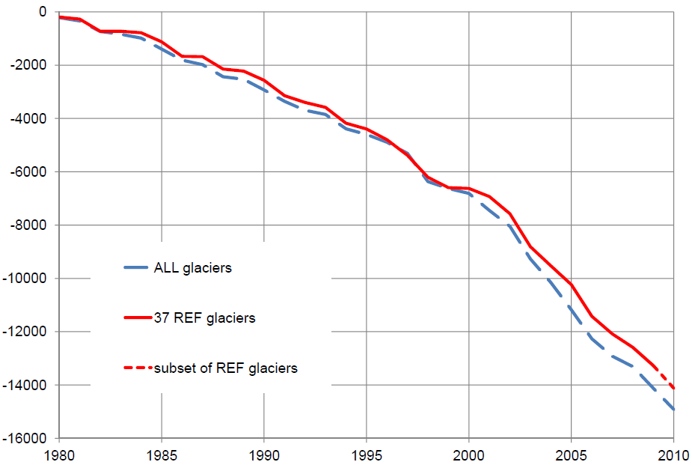
 | Mean Cumulative Specific Mass Balance of Mountain Glaciers Worldwide,
1980-2010

Millimeters of Water Equivalent

Note: The net accumulation minus net melt in millimeters of water equivalent (mm w.e.) for 1980-2010. A negative mass balance indicates shrinking glacier size. "REF" refers to reference glaciers which have a continuous long-term observation series.

Source: World Glacier Monitoring Service (WGMS), University of Zurich, “Preliminary Glacier Mass Balance Data 2009/2010,” at http://www.geo.uzh.ch/microsite/wgms/mbb/sum10.html, updated 28 March 2012.

This is part of a supporting dataset for Lester R. Brown, Full Planet, Empty Plates: The New Geopolitics of Food Scarcity (New York: W.W. Norton & Company, 2012). For more information, see Earth Policy Institute on-line at www.earth-policy.org.

